User Story 1
User Story 1:
Part 2 Specflow & Performance Test:
Description:
This task consists of 3 user stories, as highlighted in part 1 you will still have to consider how you will create a framework which is easy to work with and maintainable at the same time. You should now have some experience in knowing how this is done due to part 1 of the advanced task. There are no team tasks in this part so you should be able to get started straight away.
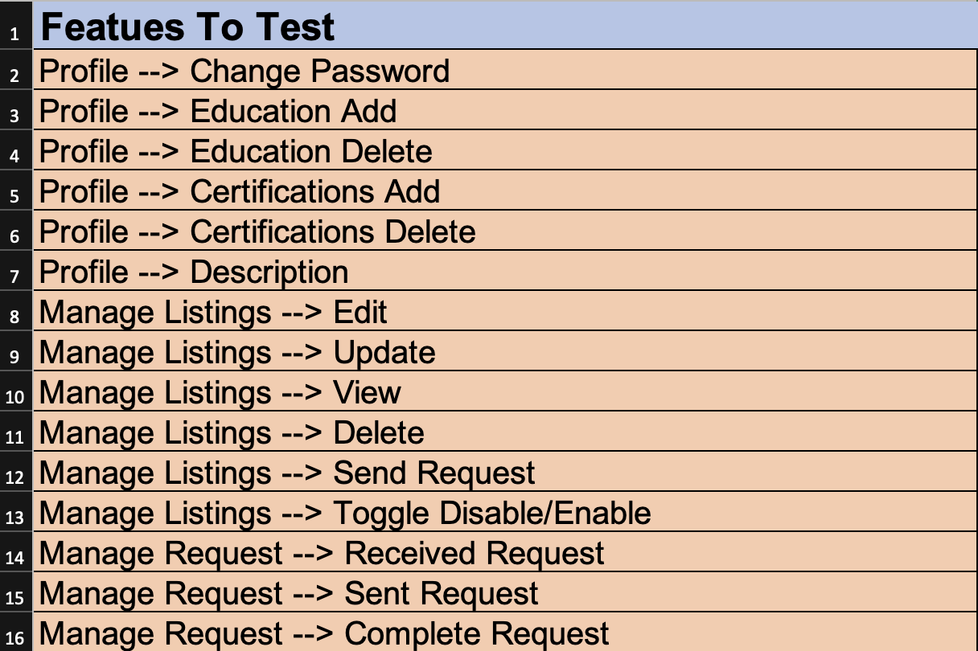
Use case:
As a user I would like to be able to use the features that Project Mars offers around sign in, profile features, change
password, education, certification, description, manage listings, manage request, chat, and job scheduler.
So that I am make most of the Project Mars feature, this way people that are interested in my profile can utilise my
profile better
Acceptance Criteria:
o To come up with test cases, you should cover all test paths and most test cases are covered! (see tips it is
important that you know what tests you can and cannot test. If there is a scenario that you cannot test
please explain why you cannot test this).
o Provide an excel document that has the test cases you have come up with (should clearly be able to see
the steps taken in order to carry out the test and explain any that you could not carry out.
o The excel sheet should be pushed to GitHub with a pull request created.
o You should also carry out manual testing using the test cases you have come up with.
o You should cover all scenarios that are mentioned from the A column A2 - A16.
Best Practices/Tips:
Below are some best practices and tips to think about!
Tip 1:
Types of test cases
• Basic positive tests (happy paths)
• Extended positive testing with optional parameters
• Negative testing with valid input
• Negative testing with invalid input
• Destructive testing
Below are some examples of the above scenarios!
Happy path tests check basic functionality and the acceptance criteria of the API. We later extend positive tests to
include optional parameters and extra functionality.
The next group of tests is negative testing where we expect the application to gracefully handle problem scenarios
with both valid user input (for example, trying to add an existing username) and invalid user input (trying to add a
username which is null).
Destructive testing is a deeper form of negative testing where we intentionally attempt to break the API to check its
robustness (for example, sending a huge payload body to overflow the system).
Tip 2:
Remember to first play around with all the features that you have will have to test first before you start writing the
manual test cases, this will give you a better idea of how to write the steps.
Tip 3:
Do not forget to explain any scenario that you cannot test, the scenarios specifically are the ones mentioned in tip
1

